Sheet1
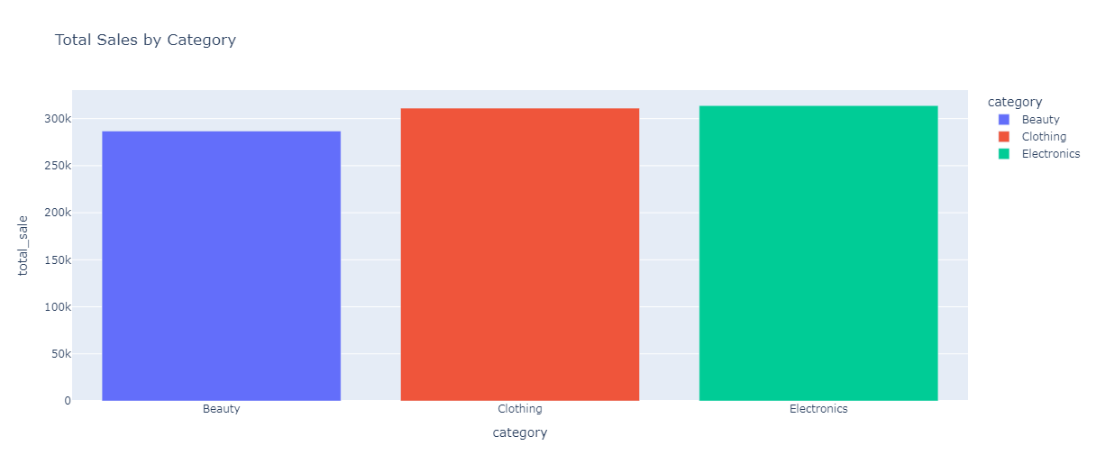
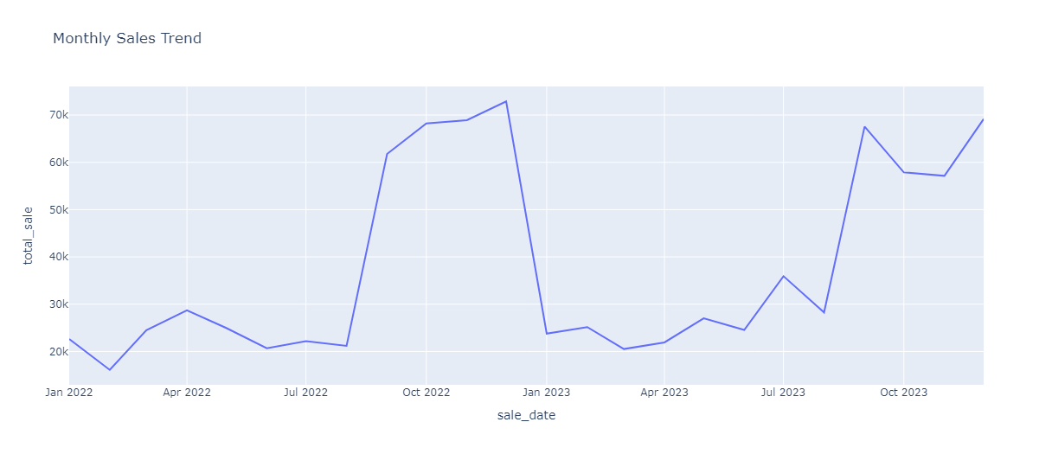
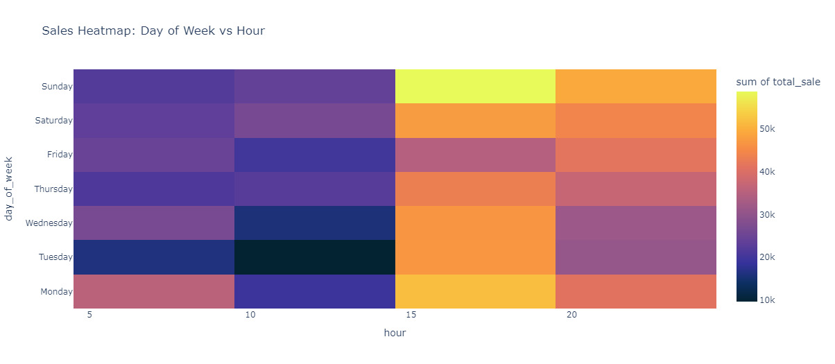
RETAIL SALE DASHBOARD
QUANTITY VS TOTAL SALES

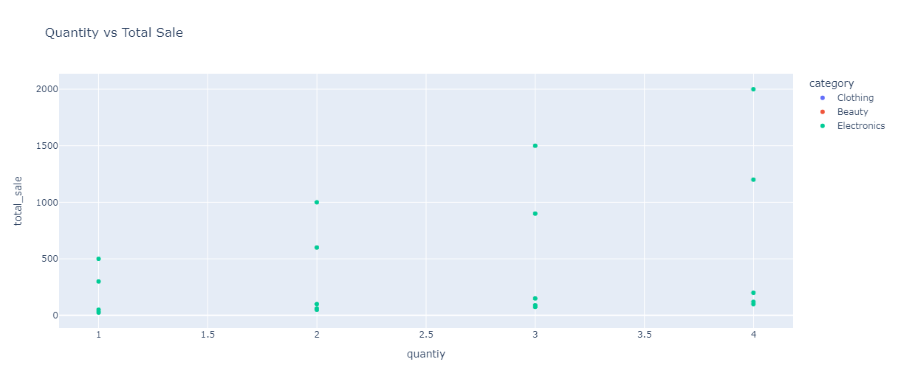

TOTAL SALES
$911,720
CATEGORY WITH HIGHEST SALE
ELECTRONICS
SALES BY GENDER
MALE 51%
FEMALE 49%

TOTAL SALES BY CATEGORY
MONTHLY SALES TRENDS
DAYS OF WEEK VS HOURS

